Sheet1


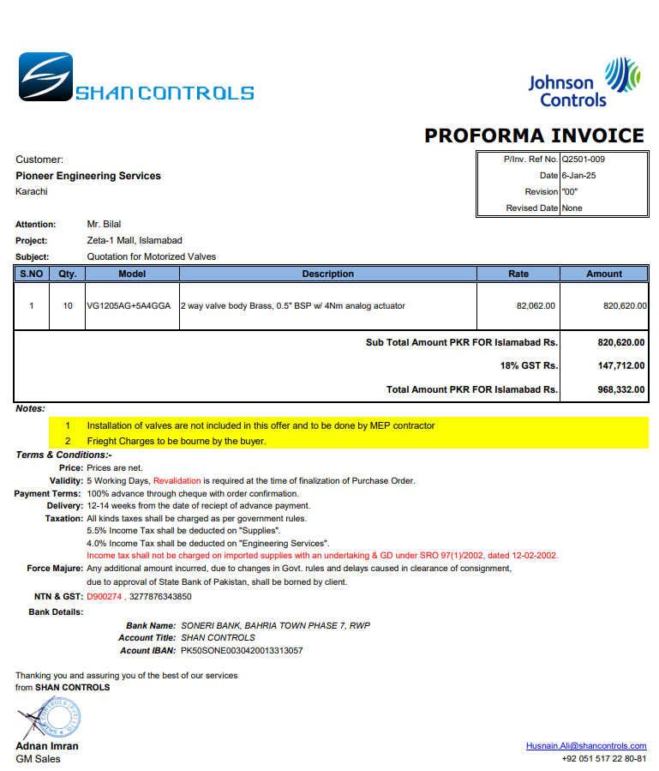

M/S Shan Controls |  |  |  |  | 10-Feb-25
Att: Mr. Imran

PO # 155
Purchase Order

Supply of 2 Way Motorized Valve - J Outlet Zeta Mall Islambad
S No. | D e s c r i p t i o n | Qty | Unit | Rate | Amount
1 | 2 way motorized valve (Modulating) | 10 | Nos | 82,062 | 820,620
Total |  |  |  |  | 820,620 | -

for Pioneer Engineering Services

 |  |  |  |  |  | -
 |  |  |  |  |  | -
 |  |  |  |  |  | -
 |  |  |  |  |  | -
M. BILAL HABIB |  |  |  |  |  | -
 |  |  |  |  |  | -
 |  |  |  |  |  | -
 |  |  |  |  |  | -
 |  |  |  |  |  | -
 |  |  |  |  |  | -
 |  |  |  |  |  | -
 |  |  |  |  |  | -
 |  |  |  |  |  | -
 |  |  |  |  |  | -

